Sheet1

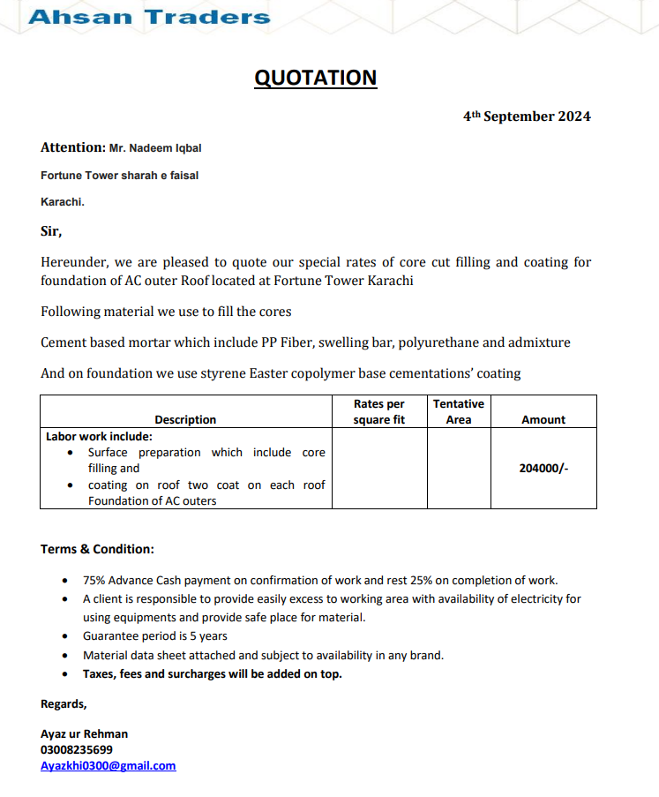

M/S IK Associates |  |  |  |  |  | 2024-09-06

Project: DHL Office, Fortune Center, Karachi

Attn: Mr. Taha Ghaznavi

Variation order for Water Proofing

S. # | Description | Rate | Over Head profit 28% | Unit | Qty | Amount
1 | Water Proofing for condensing units platform 02 Coat with Core filling. | 204,000 | 20,400 | Job | 1 | 224,400
Total Amount Rs. |  |  |  |  |  | 224,400

Note: Vendor quotation attached

Thanking you,

For PIONEER ENGINEERING SERVICES.

Bilal Habib

